Final 2
Project Name | HomePage of https://www.orangehrm.com/ |  | Reports |  |  | Test Case Author | Syed Raiyan Nasim
Description | Test case for Homepage |  | Number of Test Case | 19 |  | Test Case Reviewer
Test Objective | Verify that in Homepage all features are works fine |  | Pass Case | 16 |  | Test Case Version | V1
 |  |  | Fail Case | 3 |  | Test Execution Date | 2025-10-15
 |  |  | Warning Case | 0
 |  |  | Error/Block Case | 0
 |  |  | Total Pass Rate | 84.21%

Test Case ID | Test Scenario | Browser |  | Prerequisites |  | Test Steps | Test Data | Expected Result | Actual Result | Status | Defects | Ticket ID | Comment
TC01 | Vreify the homepage successfully and All element load Successfully | Brave(Chromium: 141.0.7390.70) |  | Stable Internet | 1. open browser 2. goto "https://www.orangehrm.com/en" |  | N/A | All Element loaded | All Element loaded | Passed
TC02 | Verify the Website mobile responsive | Android Device (Chrome browser) |  | Andorid device and stable internet | 1.Open Chrome browser in android device 2.goto "https://www.orangehrm.com/en" |  | N/A | All Element loaded can trypograpy and elements succesfully in mobile | All Element loaded can trypograpy and elements succesfully in mobile | Passed
TC03 | Verify the logo click naviagtion | Brave(Chromium: 141.0.7390.70) |  | Stable Internet | 1. open browser 2. goto "https://www.orangehrm.com/en" |  | N/A | Navigate the home page | Navigate the home page | Passed
TC04 | Verify each button in navigaion menu navigate the correct page | Brave(Chromium: 141.0.7390.70) |  | Stable Internet | 1. open browser 2. goto "https://www.orangehrm.com/en" 3. Click on the Price button |  | N/A | Navigate to the Price page | Navigate to the Price page | Passed |  |  | in Navigation menu (Solution, Why orangehrm, company) are dropdown button only pricing can navigate the page
TC05 | Verify the language switch can work prefectly | Brave(Chromium: 141.0.7390.70) |  | Stable Internet | 1. open browser 2. goto "https://www.orangehrm.com/en" 3. Click on the Switch language to Spanish |  | N/A | Language shift to Spanish | Language shift to Spanish | Passed
TC06 | Verify the clicking 'Book a free demo' rederict book-a-free-demo | Brave(Chromium: 141.0.7390.70) |  | Stable Internet | 1. open browser 2. goto "https://www.orangehrm.com/en" 3. Click on the Book a free demo button |  | N/A | Navigate to the " https://www.orangehrm.com/en/book-a-free-demo " page | Navigate to the " https://www.orangehrm.com/en/book-a-free-demo " page | Passed
TC07 | Verify in the Book a free demo page try to submit with valid info | Brave(Chromium: 141.0.7390.70) |  | Stable Internet | 1. open browser 2. goto "https://www.orangehrm.com/en" 3. Click on the Book a free demo button 4. Fill the input field with test data 5. Press submit button |  | Full name: Jhon deo workemail: hoxowo7143@bdnets.com phone: 0152354678 Country: Bangladesh Company: 9am Solution job title : SQA intern no of employee 10 captcha solve | Give the success full massage | Give the success full massage | Passed
TC08 | Verify in the Book a free demo page try to submit with invalid info such as (invalid gmail and invalid number (insert alphabet in number)) | Brave(Chromium: 141.0.7390.70) |  | Stable Internet | 1. open browser 2. goto "https://www.orangehrm.com/en" 3. Click on the Book a free demo button 4. Fill the input field with test data 5. Press submit button |  | Full name: Jhon deo workemail: hoxowo7143@bdnets.@gmail.com phone: 01523arsty Country: Bangladesh Company: 9am Solution job title : SQA intern no of employee 10 captcha solve | Give a error message | Give a error massage | Passed | the number number field don't give the error message |  | 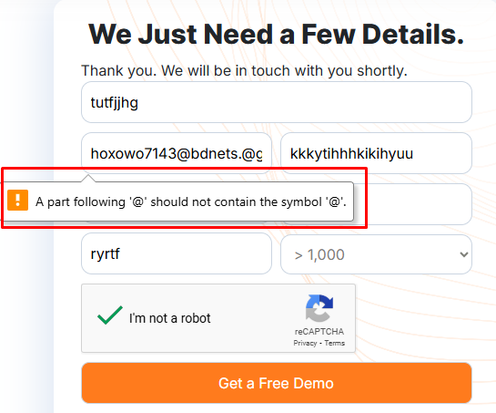
TC09 | Verify the clicking 'contact sale' rederict contact sale page | Brave(Chromium: 141.0.7390.70) |  | Stable Internet | 1. open browser 2. goto "https://www.orangehrm.com/en" 3. Click on the contact sale button |  | N/A | Redirect to the " https://www.orangehrm.com/en/contact-sales " page |  | Passed
TC10 | Verify the email input section in homepage work correctly | Brave(Chromium: 141.0.7390.70) |  | Stable Internet | 1. open browser 2. goto "https://www.orangehrm.com/en" |  | email: hoxowo7143@bdnets.com | Redirect to the " https://www.orangehrm.com/en/30-day-free-trial " page |  | Passed
TC11 | Verify in the 30 day trail page try to submit with some empty fileld | Brave(Chromium: 141.0.7390.70) |  | Stable Internet | 1. open browser 2. goto "https://www.orangehrm.com/en/30-day-free-trial" |  | username: bussiness mail :fgfgfh phone number:013453464567 country:bangladesh solve captcha | Give the error message of empty field | Give the error message of empty field | Passed |  |  | 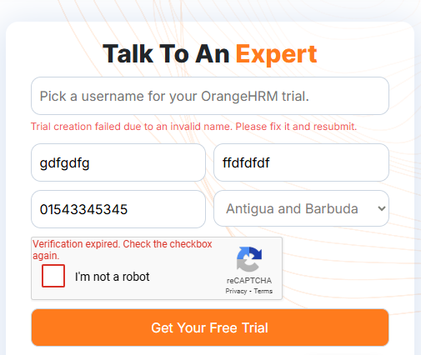
TC12 | Verify in the 30 day trail page try to submit with some worng input in the fileld (number section with alphabet) | Brave(Chromium: 141.0.7390.70) |  | Stable Internet | 1. open browser 2. goto "https://www.orangehrm.com/en/30-day-free-trial" |  | username: raiyan bussiness mail :fgfgfh phone number:0134aadsd456 country:bangladesh solve captcha | Error message should show | Sent message successfully | Failed | The number input is string but for better use it should be (number) and the if needed it can be transfer into the string again |  | 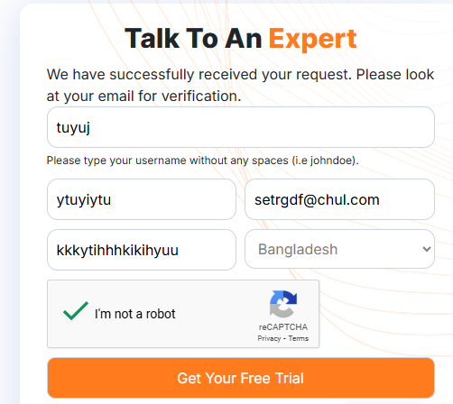
TC13 | Vrerify the accordion in the home page work successfully | Brave(Chromium: 141.0.7390.70) |  | Stable Internet | 1. open browser 2. goto "https://www.orangehrm.com/en" |  | N/A | Open accordion successfully | Open accordion successfully | Passed
TC14 | Verify the all link which is in the hompage work fine | Brave(Chromium: 141.0.7390.70) |  | Stable Internet | 1. open browser 2. goto "https://www.orangehrm.com/en" |  | N/A | All link open successfully |  | Passed
TC15 | Verify all image is clearly visible | Brave(Chromium: 141.0.7390.70) |  | Stable Internet | 1. open browser 2. goto "https://www.orangehrm.com/en" |  | N/A | Image is clearly visible | Image is 75% in width | Failed | All image which is set in website width 75%
TC16 | In 100% pageview download button clearly visible | Brave(Chromium: 141.0.7390.70) |  | Stable Internet | 1. open browser 2. goto "https://www.orangehrm.com/resources/e-books" |  | N/A | Download button clearly visible | button is not clearly visible | Failed | for 1366*768 resulation button is not clearly visible
TC17 | Verify the alt option in all image | Brave(Chromium: 141.0.7390.70) |  | Stable Internet | 1. open browser 2. goto "https://www.orangehrm.com/en" 3. open inspect with f12 4. go to element tab and use select element 5.select any image and remove some part of the image 6.then press enter |  | N/A | alt option showed | alt option showed | Passed
TC18 | Verify the subpages open successfully and data is correct | Brave(Chromium: 141.0.7390.70) |  | Stable Internet | 1. open browser 2. goto "https://www.orangehrm.com/en" 3.scroll down and click leavmangement / Roster |  | N/A | Open the subpage and show the correct data | Open the subpage and show the correct data | Passed
TC19 | check the invalid URL show 404 page of the website | Brave(Chromium: 141.0.7390.70) |  | Stable Internet | 1. open browser 2. goto "https://www.orangehrm.com/en/solutions/compensation/pto-" |  | N/A | Navigate the page not found page | Navigate the page not found page | Passed | Page not found is not well design |  | 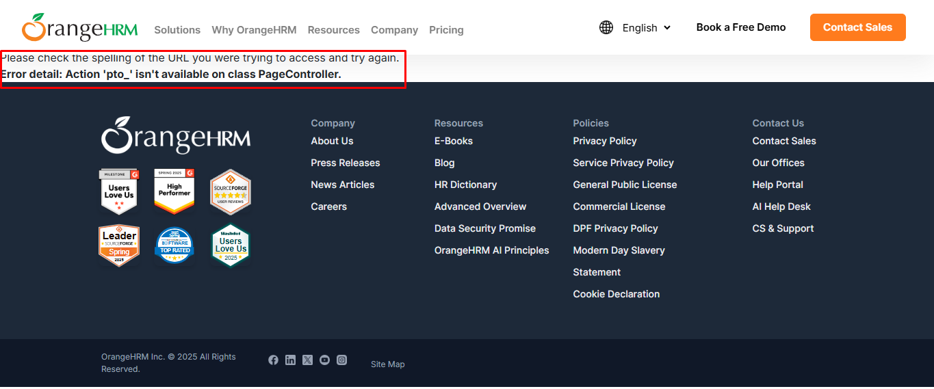
TC 20 | verify in the blog page all blog cards clearly visible and text size and alignment is correct | Brave(Chromium: 141.0.7390.70) |  | Stable Internet | 1. open browser 2. goto "https://www.orangehrm.com/resources/blog" |  | N/A | Text and image in the card is clearly visible and Text alignment and text size is also ok | In the card text is is overlaping and not clearly visble text warping problem | Passed

vs. Reports

test case
Project Name | HomePage of https://www.orangehrm.com/ | Total Test Case | 19 | Test Case Author | Syed Raiyan Nasim
Priority | High | Passed Test case | 16 | Test Case Reviewer | Syed Raiyan Nasim
Description | Test case for Homepage | Failed test case | 3 | Test Case Version | V1
Test Objective | Verify that in Homepage all features are works fine | Persentage of Passed test case | 84.21% | Test Execution Date | 2025-10-15

Test Case ID | Test Scenario | Browser | Prerequisites | Test Steps | Test Data | Expected Result | Actual Result | Status | Defects | Ticket ID | Comment
TC01 | Vreify the homepage successfully and All element load Successfully | Brave(Chromium: 141.0.7390.70) | Stable Internet | 1. open browser 2. goto "https://www.orangehrm.com/en" | N/A | All Element loaded | All Element loaded | Passed
TC02 | Verify the Website mobile responsive | Android Device (Chrome browser) | Andorid device and stable internet | 1.Open Chrome browser in android device 2.goto "https://www.orangehrm.com/en" | N/A | All Element loaded can trypograpy and elements succesfully in mobile | All Element loaded can trypograpy and elements succesfully in mobile | Passed
TC03 | verify the logo click naviagtion | Brave(Chromium: 141.0.7390.70) | Stable Internet | 1. open browser 2. goto "https://www.orangehrm.com/en" | N/A | Navigate the home page | Navigate the home page | Passed
TC03 | Verify each button in navigaion menu navigate the correct page | Brave(Chromium: 141.0.7390.70) | Stable Internet | 1. open browser 2. goto "https://www.orangehrm.com/en" 3. Click on the Price button | N/A | Navigate to the Price page | Navigate to the Price page | Passed |  |  | in Navigation menu (Solution, Why orangehrm, company) are dropdown button only pricing can navigate the page
TC04 | Verify the language switch can work prefectly | Brave(Chromium: 141.0.7390.70) | Stable Internet | 1. open browser 2. goto "https://www.orangehrm.com/en" 3. Click on the Switch language to Spanish | N/A | Language shift to Spanish | Language shift to Spanish | Passed
TC05 | Verify the clicking 'Book a free demo' rederict book-a-free-demo | Brave(Chromium: 141.0.7390.70) | Stable Internet | 1. open browser 2. goto "https://www.orangehrm.com/en" 3. Click on the Book a free demo button | N/A | Navigate to the " https://www.orangehrm.com/en/book-a-free-demo " page | Navigate to the " https://www.orangehrm.com/en/book-a-free-demo " page | Passed
TC06 | Verify in the Book a free demo page try to submit with valid info | Brave(Chromium: 141.0.7390.70) | Stable Internet | 1. open browser 2. goto "https://www.orangehrm.com/en" 3. Click on the Book a free demo button 4. Fill the input field with test data 5. Press submit button | Full name: Jhon deo workemail: hoxowo7143@bdnets.com phone: 0152354678 Country: Bangladesh Company: 9am Solution job title : SQA intern no of employee 10 captcha solve | Give the success full massage | Give the success full massage | Passed
TC07 | Verify in the Book a free demo page try to submit with invalid info such as (invalid gmail and invalid number (insert alphabet in number)) | Brave(Chromium: 141.0.7390.70) | Stable Internet | 1. open browser 2. goto "https://www.orangehrm.com/en" 3. Click on the Book a free demo button 4. Fill the input field with test data 5. Press submit button | Full name: Jhon deo workemail: hoxowo7143@bdnets.@gmail.com phone: 01523arsty Country: Bangladesh Company: 9am Solution job title : SQA intern no of employee 10 captcha solve | Give a error message | Give a error massage | Passed | the number number field don't give the error message
TC08 | Verify the clicking 'contact sale' rederict contact sale page | Brave(Chromium: 141.0.7390.70) | Stable Internet | 1. open browser 2. goto "https://www.orangehrm.com/en" 3. Click on the contact sale button | N/A | Redirect to the " https://www.orangehrm.com/en/contact-sales " page |  | Passed
TC09 | Verify the email input section in homepage work correctly | Brave(Chromium: 141.0.7390.70) | Stable Internet | 1. open browser 2. goto "https://www.orangehrm.com/en" | email: hoxowo7143@bdnets.com | Redirect to the " https://www.orangehrm.com/en/30-day-free-trial " page |  | Passed
TC10 | Verify in the 30 day trail page try to submit with some empty fileld | Brave(Chromium: 141.0.7390.70) | Stable Internet | 1. open browser 2. goto "https://www.orangehrm.com/en/30-day-free-trial" | username: bussiness mail :fgfgfh phone number:013453464567 country:bangladesh solve captcha | Give the error message of empty field | Give the error message of empty field | Passed
TC11 | Verify in the 30 day trail page try to submit with some worng input in the fileld (number section with alphabet) | Brave(Chromium: 141.0.7390.70) | Stable Internet | 1. open browser 2. goto "https://www.orangehrm.com/en/30-day-free-trial" | username: raiyan bussiness mail :fgfgfh phone number:0134aadsd456 country:bangladesh solve captcha | Error message should show | Sent message successfully | Failed | The number input is string but for better use it should be (number) and the if needed it can be transfer into the string again
TC12 | Vrerify the accordion in the home page work successfully | Brave(Chromium: 141.0.7390.70) | Stable Internet | 1. open browser 2. goto "https://www.orangehrm.com/en" | N/A | Open accordion successfully | Open accordion successfully | Passed
TC13 | Verify the all link which is in the hompage work fine | Brave(Chromium: 141.0.7390.70) | Stable Internet | 1. open browser 2. goto "https://www.orangehrm.com/en" | N/A | All link open successfully |  | Passed
TC14 | Verify all image is clearly visible | Brave(Chromium: 141.0.7390.70) | Stable Internet | 1. open browser 2. goto "https://www.orangehrm.com/en" | N/A | Image is clearly visible | Image is 75% in width | Failed | All image which is set in website width 75%
TC15 | In 100% pageview download button clearly visible | Brave(Chromium: 141.0.7390.70) | Stable Internet | 1. open browser 2. goto "https://www.orangehrm.com/resources/e-books" | N/A | Download button clearly visible | button is not clearly visible | Failed | for 1366*768 resulation button is not clearly visible
TC16 | Verify the alt option in all image | Brave(Chromium: 141.0.7390.70) | Stable Internet | 1. open browser 2. goto "https://www.orangehrm.com/en" 3. open inspect with f12 4. go to element tab and use select element 5.select any image and remove some part of the image 6.then press enter | N/A | alt option showed | alt option showed | Passed
TC17 | Verify the subpages open successfully and data is correct | Brave(Chromium: 141.0.7390.70) | Stable Internet | 1. open browser 2. goto "https://www.orangehrm.com/en" 3.scroll down and click leavmangement / Roster | N/A | Open the subpage and show the correct data | Open the subpage and show the correct data | Passed
TC17 | check the invalid URL show 404 page of the website | Brave(Chromium: 141.0.7390.70) | Stable Internet | 1. open browser 2. goto "https://www.orangehrm.com/en/solutions/compensation/pto-" | N/A | Navigate the page not found page | Navigate the page not found page | Passed | Page not found is not well design

Test Case Pass Fail Ratio.

